Flow Diagram
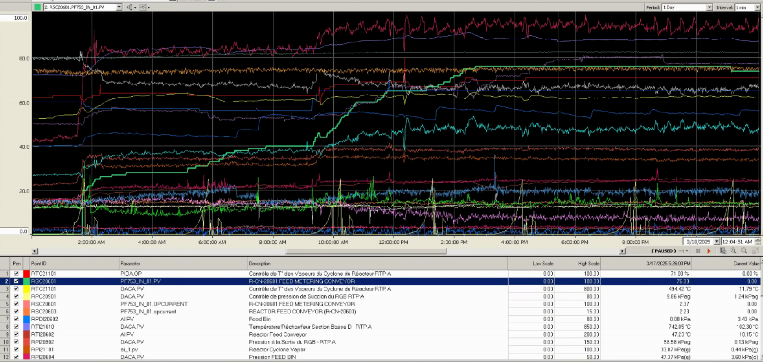
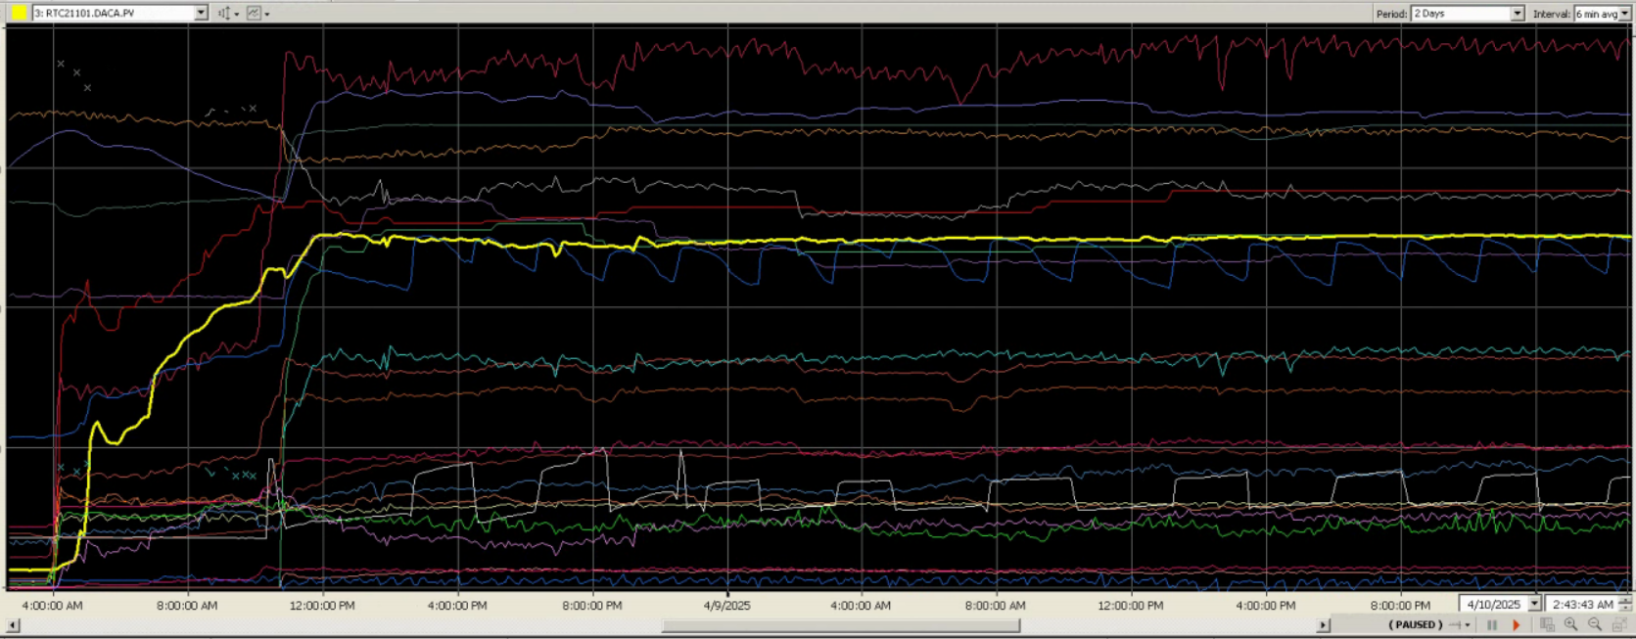
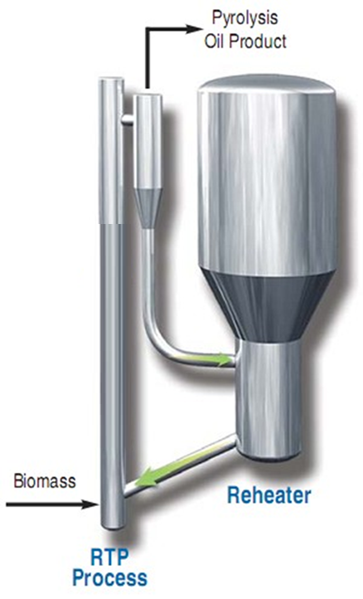
 |  |  | PRODUCT GAS TEMPERATURE

 |  |  | HEAT CARRIER RETURN TEMPERATURE

BIOMASS FLOW RATE |  |  | HEAT CARRIER FLOW RATE
BIOMASS TEMPERATURE |  |  | HEAT CARRIER TEMPERATURE

 |  | REACTOR GAS FLOW RATE
 |  | REACTOR GAS TEMPERATURE

 | PYGAS FLOW RATE

TRENDED DATA

